Sheet2
GenderCode | (All)

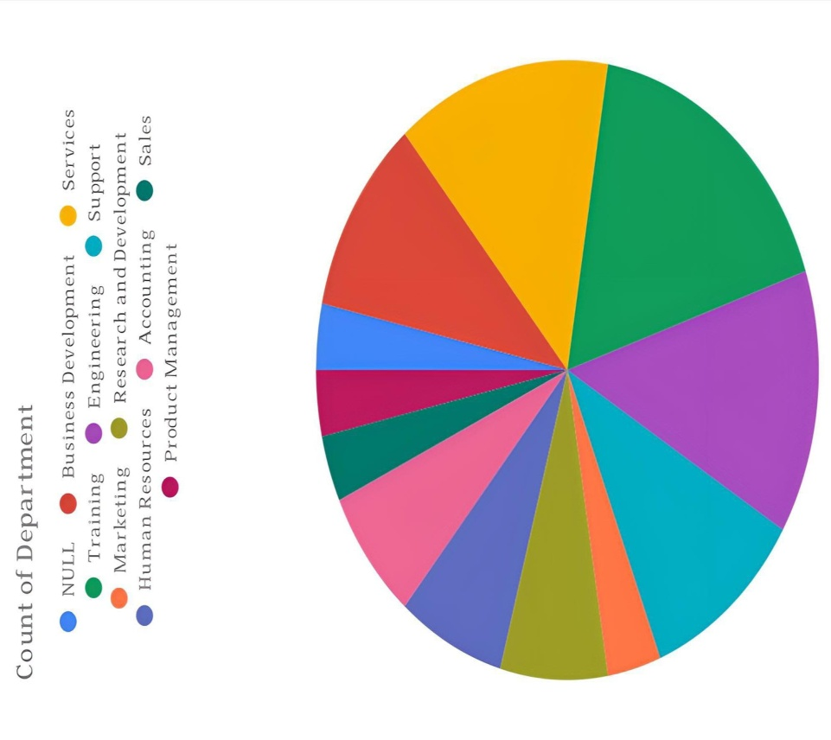
Count of FirstName | Column Labels
Row Labels | Exceeds | Fully Meets | Needs Improvement | PIP | Grand Total
BPC | 36 | 235 | 24 | 8 | 303
CCDR | 39 | 234 | 17 | 10 | 300
EW | 39 | 240 | 16 | 7 | 302
MSC | 39 | 226 | 20 | 11 | 296
NEL | 30 | 251 | 11 | 12 | 304
PL | 34 | 241 | 16 | 10 | 301
PYZ | 35 | 228 | 23 | 13 | 299
SVG | 46 | 233 | 20 | 5 | 304
TNS | 41 | 233 | 15 | 8 | 297
WBL | 30 | 240 | 15 | 9 | 294
Grand Total | 369 | 2361 | 177 | 93 | 3000

